1. Title Page
Project Name: Instacart Grocery Basket Analysis
Date: 13/06/2023
Analyst Name: Teo Meriggi

Contents:
Population Flow
Consistency checks
Wrangling steps
Column derivations
Visualizations
Recommendations

2. Population Flow
Title page

Population flow

Exclusion flag
Condition: max_order < 5
Obervations to be removed: 7866

Orders_products_combined
Orders_products_merged
Orders_products_all

Total:32,434,212
Total:32,434,489
Total: : 32,434,212

1.) The grey boxes in the first row of the population flow represent the original data sets as they were when you downloaded them. In the Total fields you need to add the count of the rows when you imported the data set into Jupyter.
2.) The second row of boxes (coloured) represents the data sets after you manipulated them, e.g., removed missing values and duplicates. In the Total fields you need to add the count of the rows after conducting these operations. This offers a visual oveview of how the data flows throughout the data consistency checks.
3.) The third row, where also the arrows are coloured, represents the merges you performed between the datasets. In the Total fields you need to add the count of the rows in the merged datasets, so that you end up with the final dataset (in the red box). Keep in mind the final dataset should be without exclusions (based on the exclusion flag).

3. Consistency checks
 |  |  |  | Title page
Consistency checks

Dataset | Missing values | Missing values treatment | Duplicates
orders | 206,209 missing values in 'days_since_prior_order' column | No treatment done | No duplicates found
products | 16 values in product name column | Dropped from dataframe | 5 duplicates found and deleted
orders_products_prior | No missing values found |  | No duplicates found
customers | 11,259 missing values found in 'First Name' column | No treatment done | No duplicates found

4. Wrangling steps
 |  |  |  | Title page
Wrangling steps

Columns dropped | Columns renamed | Columns' type changed | Comment/Reason
eval_set |  |  | Not needed
 | order_dow |  | renamed to orders_day_of_week
 |  | order_id | changed from integer to string as it is an identifier variable
 |  | user_id | changed from integer to string as it is an identifier variable

5. Column derivations
 |  |  |  |  | Title page

Column derivations and aggregations

In this tab you should add tables below that the frequences of flags/label variables that you produced after deriving them. NB: don't do this for continuous variables, only for flags.
Dataset | New column | Column/s it was derived from | Conditions | Frequency
orders_products_merged | "price_range_loc" | "prices" | prices <= 5: "Low-range product" | 10,126,321
 |  |  | 5 < prices <= 15: "Mid-range product" | 21,860,860
 |  |  | prices > 15: "High-range product" | 417,678

orders_products_merged | "busiest_day" | "orders_day_of_week" | if day 0 (Sat.), "Busiest day" | 6,204,182
 |  |  | if day 4 (Wed.), "Least busy" | 3,783,802
 |  |  | else: "Regularly busy" | 22,416,875

orders_products_merged | "busiest_days" | "orders_day_of_week" | orders_products_merged['busiest_day'].isin(sorted_days[:2]) | 11,864,412
 |  |  |  | 7,624,336
 |  |  |  | 12,916,111

orders_products_merged | "busiest period of day" | "order_time" | 9am-4pm: "Most orders" | 218,942
 |  |  | 11pm-6am: "Fewest orders" | 53,283
 |  |  | else: "Average orders" | 32,161,987

orders_products_merged | "max_order" | "order_number" | display maximum number of orders each customer has made

orders_products_merged | "loyalty_flag" | "max_order" | max_order > 40: "Loyal customer" | 10,284,093
 |  |  | 10 < max_order <= 40: "Regular customer" | 15,876,776
 |  |  | max_order <= 10: "New customer" | 6,243,990

orders_products_merged | "mean_price" | "prices" | display mean price of items purchased by each user

orders_products_merged | "spending_flag" | "avg_price_order" | avg_price_order < 10: "Low spender" | 31,770,742
 |  |  | avg_price_order >= 10: "High spender" | 634,117

orders_products_merged | "median_freq" | "days_since_prior_order" | display the median number of days between orders for each user

orders_products_merged | "order_frequency_flag" | "median_freq" | median > 20: "Non-frequent customer" | 3,636,437
 |  |  | 10 < median <= 20: "Regular customer" | 7,208,564
 |  |  | median <= 10: "Frequent customer" | 21,559,853

orders_products_merged | "loyalty_flag" | "max_order" | max_order > 40: "Loyal customer" | 10,284,093
 |  |  | 10 < max_order <= 40: "Regular customer" | 15,876,776
 |  |  | max_order <= 10: "New customer" | 6,243,990

customers_ords_prods_merge | "Region" | "STATE" | "midwest" | 7,597,325
 |  |  | "northeast" | 5,722,736
 |  |  | "south" | 10,791,885
 |  |  | "west" | 8,292,913

customers_ords_prods_merge | "exclusion_flag" | "max_order" | max_order < 5: "Low-activity customer" | 1,440,295
 |  |  | max_order >= 5: "Non low-activity customer" | 30,964,564

customers_ords_prods_merge | "parent_profile" | "n-dependants" "Age" | if n-dependants >0 Age <30 = Young Parents | 141,759
 |  |  | if n-dependants >0 Age <=30 = Parents
 |  |  | if n-dependants = = 0 = Non Parents | 251,169
 |  |  | if n-dependants >=30 Age >45 = Middle-aged Parents | 173,249
 |  |  | if n-dependants >0 Age >=45 = Senior Parents | 433,823

6. Visualizations
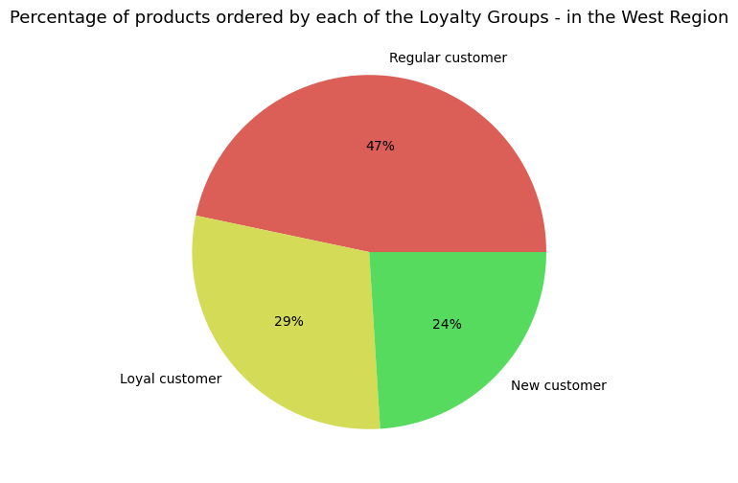

 |  |  |  | Title page

Visualisations

In this tab you should include all the visualtions from Exercises 4.9 and 4.10, alongside the questions from the project brief that they answer. Include any commentary on the relationship between different variables.

What are the busiest days of the week and the busiest hours of the day?

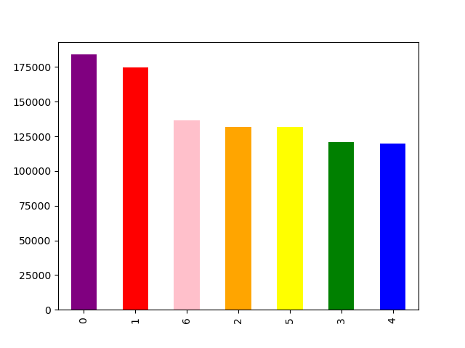

 |  | The bar chart shows the frequency of purchases on different days of the week, with Saturday and Sunday being the busiest.

 |  | 0=Saturday
 |  | 1=Sunday
 |  | 2=Monday
 |  | 3=Tuesday
 |  | 4=Wednesday
 |  | 5=Thursday
 |  | 6=Friday

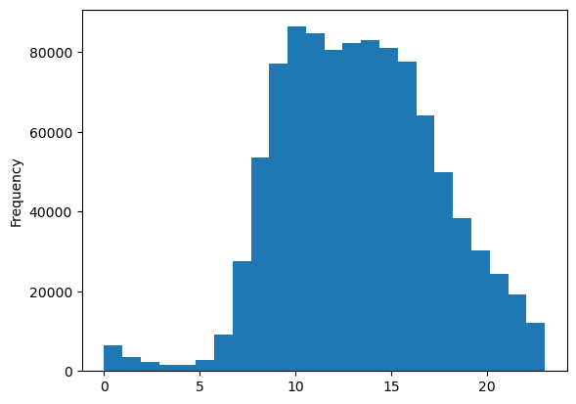

 |  | The histogram demonstrates that the peak hour is 9:00 AM and the orders decrease after 17:00 PM

Are there any particular times when people spend the most money?

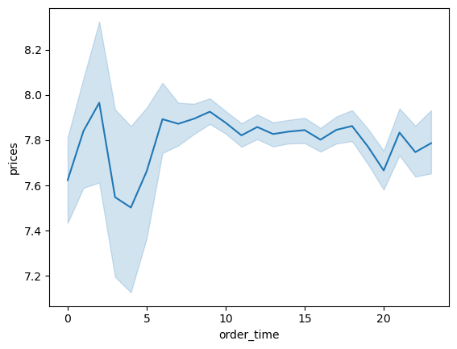

 |  |  | This line chart illustrates the average price of ordered item by the order hour of the day. According to the line chart, prices fluctuate with the hour of the day. Prices peak from 12PM to 3 AM. The error band from 0 to 5 is wider, indicating more variability in the prices.

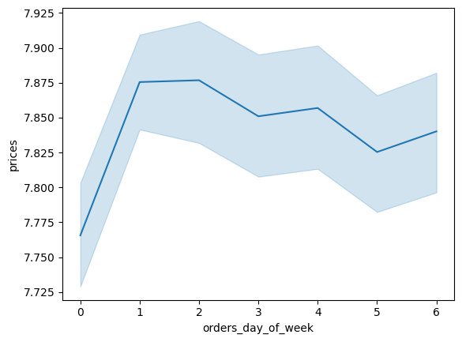

 |  | According to the chart, prices peak on Sunday and Monday

What's the distribution among users in regards to their brand loyalty? (i.e., how often do they return to Instacart?)

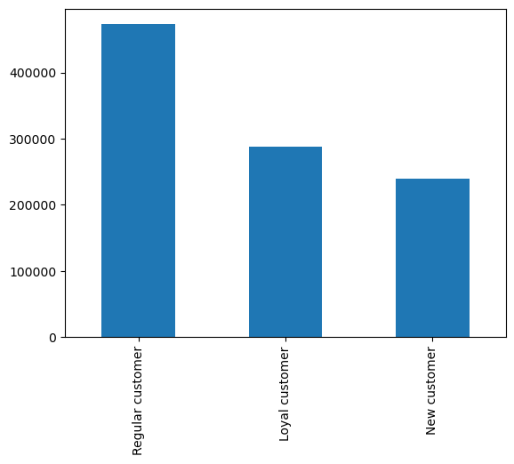

The bar chart shows the number of regular, loyal and new customers. Regular customers represent the highest number of customers while new customers account for the lowest number.

You’ll also need to explore whether there’s a connection between age and spending power (income).

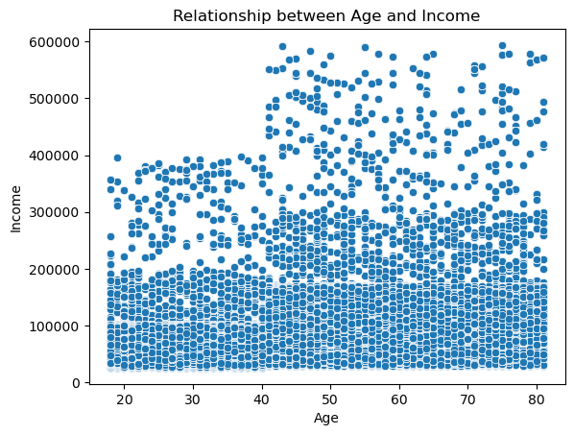

There is a potential positive correlation between age and income according to the scatterplot but it's also evident the presence of outliers with exceptionally high income. The chart reveals that a significant portion of individuals across all age groups earn up to 200k per year. There are a few individuals under the age of 40 who earn between 200k and 400k annually. Generally, individuals over the age of 40 tend to have higher incomes, with a larger number of people earning between 200k and 300k. Furthermore, some individuals over the age of 40 earn as much as 600k per year.
Although the chart does not directly depict ordering habits, it can assist in identifying a potential age group with considerable spending power.

 | Is there a connection between age and family status in terms of ordering habits?

 | Family status distribution

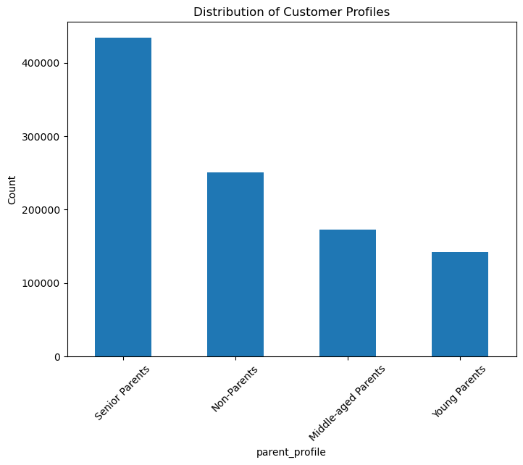
Age and Number of dependant
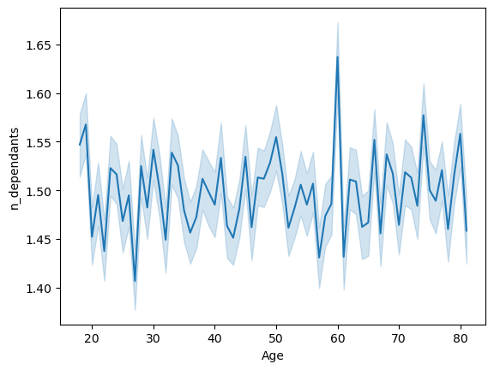

The line chart indicates that customer age and the number of dependants have no discernible relationship. The number of dependants does not appear to be influenced by customer age. Additionally, neither customer age nor the number of dependants seem to significantly affect spending at Instacart or the departments customers purchase from.

The Senior Parents (parents above 45 yrs) represents the majority of the customers, followed by the non-parents

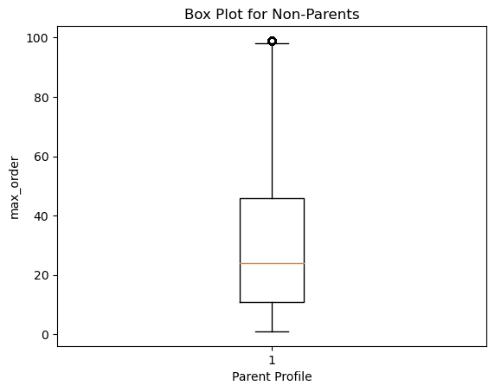
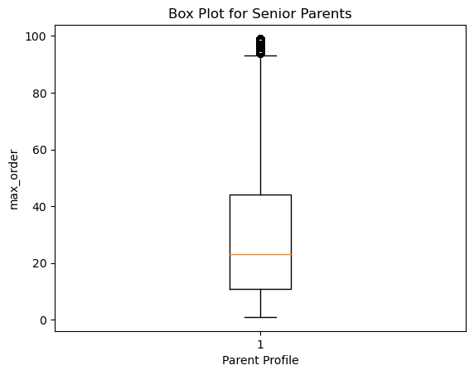
On average, customers in each parent profile group tend to have a similar maximum order frequency.
From this observation, we can conclude that the maximum order frequency does not significantly vary based on the parent profile.

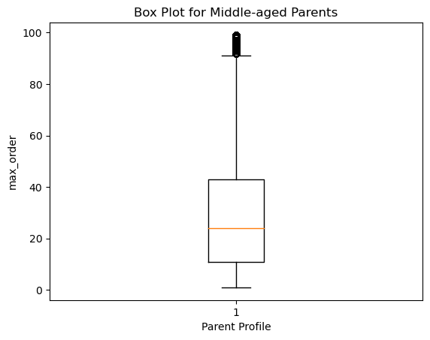


Are there differences in ordering habits based on a customer's region?


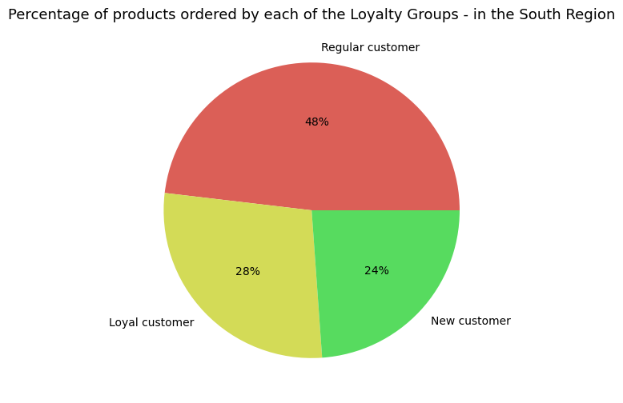

No substantial difference emerges between the regions with regard to the percentage of products ordered by the different loyalty groups. Regular customers place the highest number of orders

7. Recommendations
 |  |  |  | Title page

Recommendations

In this tab you should include any recommendations you would made to Instcart in terms of their marketing strategy based on the questions posed in the brief. Every key question has been covered in the Tasks of the Exercises - here you need to add an item - a visualisation or table/crosstable that is showing the answer in the data, acompanied by a comment from you. Please, list the questions below and add the answer underneath.

What are the busiest days of the week and the busiest hours of the day?

 |  | The bar chart shows the frequency of purchases on different days of the week, with Saturday and Sunday being the busiest.

 |  | 0=Saturday
 |  | 1=Sunday
 |  | 2=Monday
 |  | 3=Tuesday
 |  | 4=Wednesday
 |  | 5=Thursday
 |  | 6=Friday
Recommendation:
To optimize ad scheduling, it's probably best to target periods with lower demand, like late-night/early-morning hours (1-5 am) and non-peak hours (7-9 am or after 5 pm). Flash deals can be offered during the former, while scheduling ads before or after peak traffic (10-11 am) can engage users who are less occupied. Similarly, targeting less busy days, such as midweekdays, can enhance ad effectiveness.

 |  | The histogram demonstrates that the peak hour is 9:00 AM and the orders decrease after 17:00 PM

Are there any particular times when people spend the most money?

 |  |  | This line chart illustrates the average price of ordered item by the order hour of the day. According to the line chart, prices fluctuate with the hour of the day. Prices peak from 12PM to 3 AM. The error band from 0 to 5 is wider, indicating more variability in the prices.

Recommendation:
Instacart should place more ads in the middle of the night and early morning

 |  | According to the chart, prices peak on Sunday and Monday

What's the distribution among users in regards to their brand loyalty? (i.e., how often do they return to Instacart?)

The bar chart shows the number of regular, loyal and new customers. Regular customers represent the highest number of customers while new customers account for the lowest number.

Recommendation:
It would be beneficial to activate loyalty programs to increase customer satisfaction and adoption

You’ll also need to explore whether there’s a connection between age and spending power (income).

There is a potential positive correlation between age and income according to the scatterplot but it's also evident the presence of outliers with exceptionally high income. The chart reveals that a significant portion of individuals across all age groups earn up to 200k per year. There are a few individuals under the age of 40 who earn between 200k and 400k annually. Generally, individuals over the age of 40 tend to have higher incomes, with a larger number of people earning between 200k and 300k. Furthermore, some individuals over the age of 40 earn as much as 600k per year.
Although the chart does not directly depict ordering habits, it can assist in identifying a potential age group with considerable spending power.

 | Is there a connection between age and family status in terms of ordering habits?

 | Family status distribution

Age and Number of dependant

The line chart indicates that customer age and the number of dependants have no discernible relationship. The number of dependants does not appear to be influenced by customer age. Additionally, neither customer age nor the number of dependants seem to significantly affect spending at Instacart or the departments customers purchase from.

The Senior Parents (parents above 45 yrs) represents the majority of the customers, followed by the non-parents

On average, customers in each parent profile group tend to have a similar maximum order frequency.
From this observation, we can conclude that the maximum order frequency does not significantly vary based on the parent profile.

Recommendation:
it would be interesting for Instacart to delve deeper into the customer segment consisting of individuals aged 40 years and above, given their substantial spending power. This demographic often possesses a higher disposable income, making them an attractive target for promoting premium or high-value products and services.

Are there differences in ordering habits based on a customer's region?

No substantial difference emerges between the regions with regard to the percentage of products ordered by the different loyalty groups. Regular customers place the highest number of orders

